Table 1
IDTA 02010-1-0 Service Request Notification
October 2023
S P E C I F I C A T I O N
Submodel Template of the Asset Administration Shell

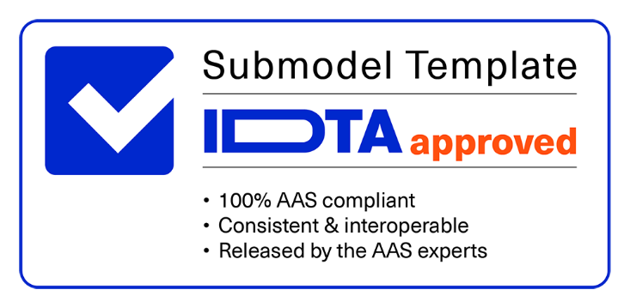

Imprint
Publisher Industrial Digital Twin Association Lyoner Strasse 18 60528 Frankfurt am Main Germany https://www.industrialdigitaltwin.org/ Version history
Date | Version | Comment
2023-04-10 | 1.0 | Release of the official Submodel template published by IDTA.
Contents
1 General 6 1.1 About this document 6 1.2 Scope of the Submodel 6 1.3 Relevant standards for the Submodel template 6 1.4 Use cases, requirements and design decisions 7 2 Service Request Notification 9 2.1 Approach 9 2.2 Data Model of Service Request Notification SMT 9 2.3 Value List: Service Types 9 2.4 SubmodelElements of the Submodel template “ServiceRequestNotification” 11 2.5 SubmodelElements of “ServiceRequestNotification” 12 2.6 SubmodelElements of “ReportedBy” 14 2.7 SubmodelElements of DetailedInformation” 15 2.8 SubmodelElements of “OnsiteContact” 16 2.9 SubmodelElements of “AttachedMedia”

Figures
Figure 1: Business view on service management and involved parties 7 Figure 2: Types of Maintenance Tasks - Categorisation; © IEC 8 Figure 3: UML for Submodel Service Request Notification 9 Figure 4: Linking Wittenstein products to their Service Portal by QR Code 20 Figure 5: Mapping Wittenstein Portal to Submodel 20 Figure 6: Issuing Service Request Notification (HMI 2022 VDMA Demonstrator) 23 Figure 7: Site overview from HMI 2022 VDMA Demonstrator 23 Figure 8: Notification overview for a specific machine (HMI 2022 VDMA Demonstrator) 24
Tables
Table 1: Service Types 10 Table 2: Submodel elements “Service Request Notification” template 11 Table 3: Submodel elements of “Service Request Notification” SMC 12 Table 4: Submodel elements of SMC "Reported By" 14 Table 5: Submodel elements of SMC "Detailed Information" 15 Table 6: Submodel elements of SMC "On Site Contact" 16 Table 7: Submodel elements of SMC "Attached Media" 17 Table 8: Submodel elements of SMC "Media" 18 Table 9: Mapping Submodel to BAPI_SERVNOT_CREATE 21 Table 10: Mapping Submodel to Service Request (A2X)API 21
1 General
1.1 About this document This document is a part of a specification series. Each part specifies a Submodel template for the Asset Administration Shell (AAS). The AAS is described in [1], [2], [3] and [6]. First exemplary Submodel contents were described in [4], while the actual format of this document was partly derived by the "Administration Shell in Practice" [5]. The format aims to be very concise, giving only minimal necessary information for applying a Submodel template, while leaving deeper descriptions and specification of concepts, structures and mapping to the respective documents [1] to [6]. The target audience of this specification are service manager, software developer and ingenieurs which want to standardize and automate the Service Request Notification process. The core objective is that an asset can request a specific service by himself. This document especially details on the question, which SubmodelElements with which semantic identification shall be used for this purpose.
1.2 Scope of the Submodel This Submodel template aims to standardize the description of a Service Request Notification that can be used to create a Service Request Notification for industrial assets, or the asset creates it via his Asset Administration Shell (AAS). These industrial assets, such as production lines, modules, infrastructure elements, and subsystems, are provided by value chain partners such as suppliers, equipment manufacturers, and system integrators. They are utilized in specific applications by industrial operators and end users. A Service Request Notification is a request for a service to be performed, such as a maintenance, an inspection, or a return. The notification entry can be made by Asset Administration Shell (AAS), via a service dashboard, service portal or even through the customer service department by phone. The Service Request Notification can be considered as a "call for help", which, if the business partner responds to it, triggers the further service process. The objective of the Submodel template is to define and standardize the Service Request Notification, including its content (properties, operations, etc.) and structure. Additionally, service types are defined. The objective of this Submodel is to enable the interoperable exchange of these notifications between Asset Administration Shells, and the IT systems of various value creation partners.
1.3 Relevant standards for the Submodel template The list of service types relies on the VDMA Einheitsblatt: DIN 31051: 2003-06, 4.1.3 Inspektion , EN 13306: 2001-08, 7.1 Präventive Instandhaltung Further Standards were spotted: - IEC 60300-3-10: “Ed. 2: Dependability management - Part 3-10: Application guide - Maintainability and supportability” - IEC 60706-2: “Maintainability of equipment - Part 2: Maintainability requirements and studies during the design and development phase” - IEC 60706-3: “Maintainability of equipment - Part 3: Verification and collection, analysis and presentation of data” - IEC 60706-5: “Maintainability of equipment - Part 5: Testability and diagnostic testing”
1.4 Use cases, requirements and design decisions The leading idea of the Submodel “Service Request Notification” is, that a service request contains all relevant information to be able to initiate follow-up processes. This notification can be triggered by a human or any software service. Since the Submodel standardizes the message content, it can be used in a variety of ways and can also be used in complex business relationships between the actors, but also in the service process within a company.
Figure 1: Business view on service management and involved parties
The service process can take place in several ways: • One way could be that the AAS requests directly the needed service directly from a defined external service partner. This could be the component manufacturer itself, the integrator, or an independent service provider. • A second way is that the AAS communicates with an internal Asset Management System / ERP System and does not communicate directly to external parties. The idea here is that an internal service department fulfils the service, or the ERP System controls the communication with external service companies, manufacturers, or other parties. This way could be senseful to also perform the other process steps of a complete service request process like the service request response, the notification of the fulfilment or the payment for the service. These other process steps are not part of this Submodel. To realize this idea, it is essential to have standardized communication of the asset with any other party e.g., an internal asset management system, otherwise the service request creation process works only between a specific asset and a specific asset management system. With the standardization of the communication between these two players (e.g., asset and asset management system) integration efforts and the related costs are minimized. Asset and Asset Management Systems can communicate out of the box, the communication is not limited to a single installed point to point communication. Even n:m communication should be possible if all players support this Submodel.
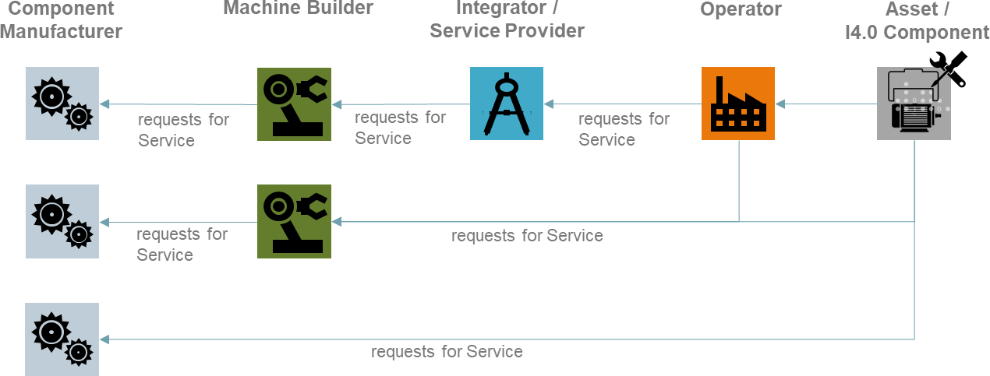
The Submodel “Service Request Notification” should be independent of the “service type”, that is requested. The Submodel contains more likely the meta data of the service request.

Figure 2: Types of Maintenance Tasks - Categorisation; © IEC
A list of Service Types is also part of the Submodel, examples are Maintenance, Inspection, Firmware Update, Predictive Maintenance and Spare Parts. The details of each Service Type are not part of this work. Later in this document you find a list of Service Types. The Submodel “Service Request Notification” is supporting the life cycle phase: Operate.
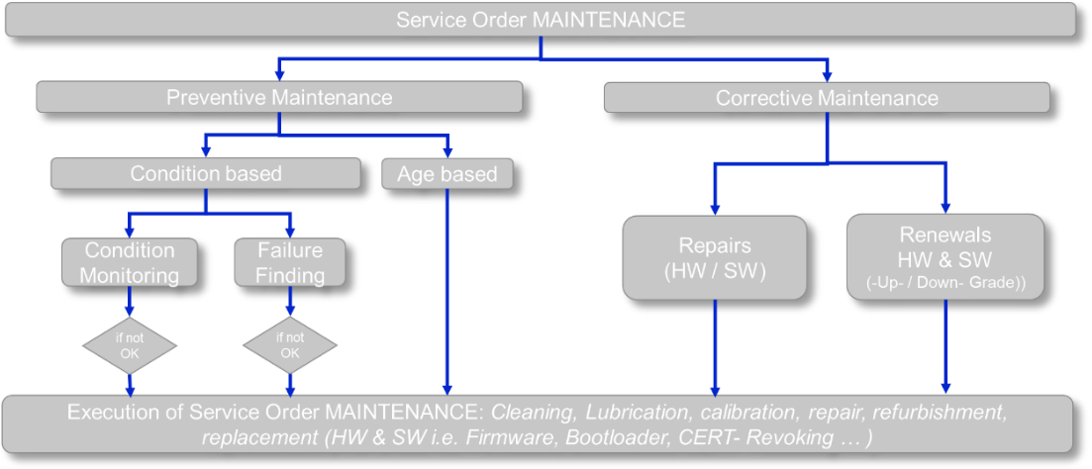
2 Service Request Notification
2.1 Approach In addition to the mentioned standards, the working group also reviewed interface descriptions of enterprise IT systems and the service forms on manufactures websites. Examples of these can be found in the appendix. The Submodel has the SMC "ServiceRequestNotification" as the top node, to be able to contain, for example, multiple issues or assets. Multiple references are made within the Submodel to the Submodel template "Contact Information", or content is taken from it, to avoid having already standardized content again. The SMC “ServiceRequestNotification” contains the relevant "header" information for classifying a Service Request Notification and routing it accordingly. The SMC "DetailedInformation" can be considered as the "body" and contains detailed information and attached media. The SMC “AttachedMedia” makes it possible to transport further information, that will not be standardized within this Submodel. All ECLASS IRDIs are created via the ECLASS Fast Track Process and are part of ECLASS Release14.
2.2 Data Model of Service Request Notification SMT
Figure 3: UML for Submodel Service Request Notification
2.3 Value List: Service Types
In the following table different Service Types are defined that can be assigned to the Service Request Notification. At least one of these types must be assigned. There are three different categories defined: - Services directly to the asset - Service or support activities - Material delivery The value list (enumeration) for the Service Types has the following semantic ID (IRDI): 0173-1#09-AAR670#001

Table 10
Annex A. Explanations on used table formats
1. General The used tables in this document try to outline information as concise as possible. They do not convey all information on Submodels and SubmodelElements. For this purpose, the definitive definitions are given by a separate file in form of an AASX file of the Submodel template and its elements.
2. Tables on Submodels and SubmodelElements For clarity and brevity, a set of rules is used for the tables for describing Submodels and SubmodelElements. • The tables follow in principle the same conventions as in [5]. • The table header abbreviates 'cardinality' with 'card'. The cardinality is defined with o 0…1: optional o 1: mandatory 1 entry o 1…n: mandatory 1 to many entries o 0…n: optional to many entries • The tables often place two information´s in different rows of the same table cell. In this case, the first information is marked out by sharp brackets [] form the second information. A special case are the semanticIds, which are marked out by the format: (type)(local)[idType]value. • The types of SubmodelElements are abbreviated:
SME type | SubmodelElement type
Property | Property
MLP | MultiLanguageProperty
Range | Range
File | File
Blob | Blob
Ref | ReferenceElement
Rel | RelationshipElement
SMC | SubmodelElementCollection
• If an idShort ends with '{00}', this indicates a suffix of the respective length (here: 2) of decimal digits, in order to make the idShort unique. A different idShort might be choosen, as long as it is unique in the parent’s context. • The Keys of semanticId in the main section feature only idType and value, such as: [IRI]https://admin- shell.io/vdi/2770/1/0/DocumentId/Id. The attributes "type" and "local" (typically "ConceptDescription" and "(local)" or "GlobalReference" and (no-local)") need to be set accordingly; see [6]. • If a table does not contain a column with "parent" heading, all represented attributes share the same parent. This parent is denoted in the head of the table. • Multi-language strings are represented by the text value, followed by '@'-character and the ISO 639 language code: example@EN. • The [valueType] is only given for Properties.
Annex B. Use Cases
1. WITTENSTEIN Service Portal
The web-based WITTENSTEIN Service Portal supports users throughout the entire lifecycle of a WITTENSTEIN product - from installation and commissioning to servicing or replacing the drive. Here, users can obtain the latest information relevant to the product, explanations, technical data, tutorial videos for installation & commissioning, documentation, firmware files and the contact details of their contacts. The WITTENSTEIN Service Portal also makes it quick and easy to request replacement products and register returns for inspection or repair.
Figure 4: Linking Wittenstein products to their Service Portal by Data-Matrix-Code
The Service Portal presents the user with a simple user interface. In a first step, the form can also write the user input back to the AAS to build up a service history and allows other actors (such as the machine builder or external service providers) to access requests in an interoperable way.
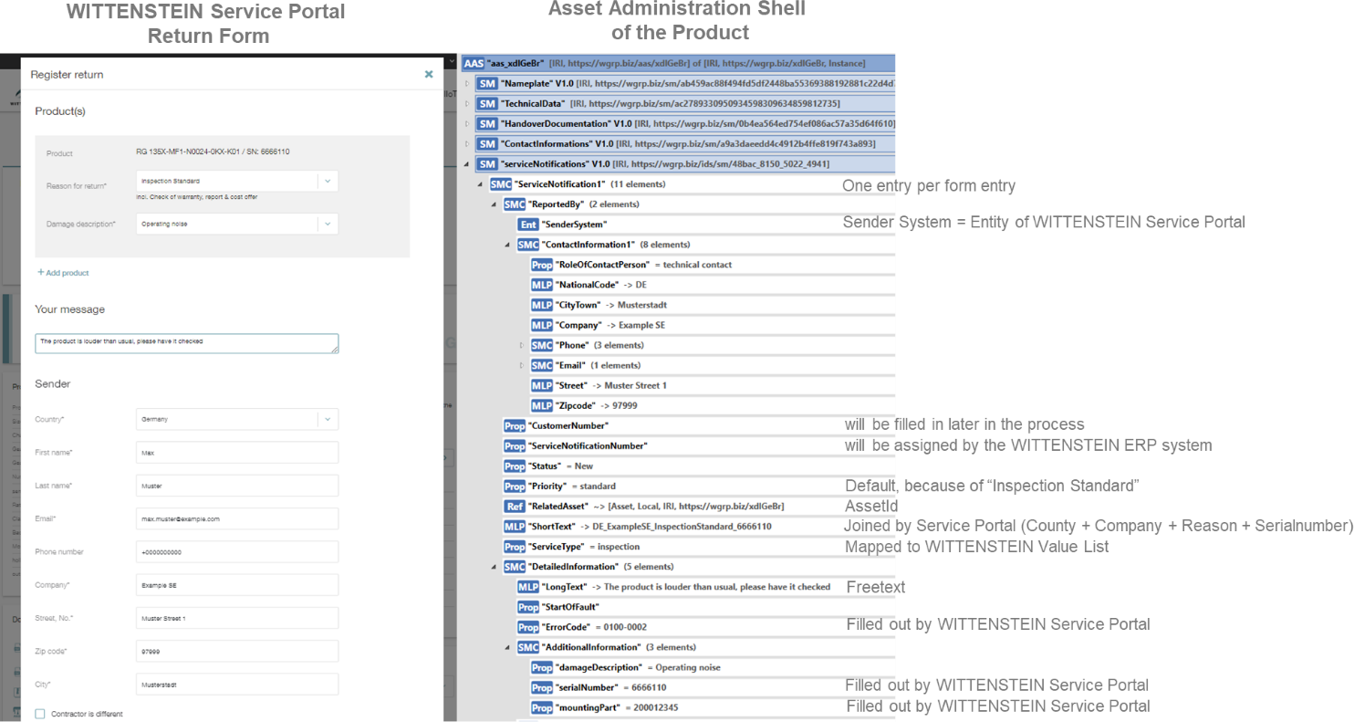
Figure 5: Mapping Wittenstein Portal to Submodel

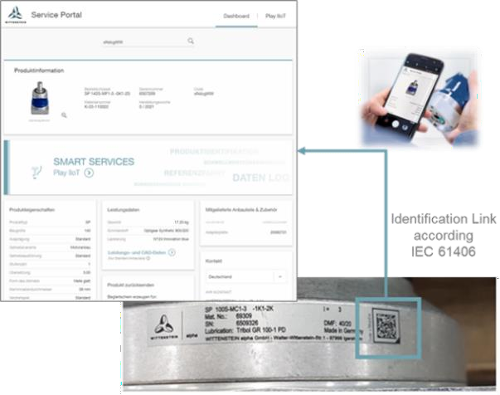
The WITTENSTEIN Service Portal is only one of many ways to create a Service Request Notification. It would be conceivable to generate service requests directly from the smart product or another IT-System.

Table 12
Teilmodell Service Request Notification Service Request Notification |  |  |  |  |  |  |  |  | ODATA API: Service Request (A2X) |  | https://api.sap.com/api/OP_API_SERVICE_REQUEST_SRV_0001/overview

Preffered Name (1.level) | SME Type | Preffered Name (2.level) | SME Type | Preffered Name (3.level) | SME Type | Preffered Name (4.level) | SME Type | Comment | Parameter Name | Data Type | Comment
Reportedby | SMC
 |  | Sender System | Property
 |  | Contact Information | SMC |  |  |  |  | Name of the reporter or partner number of the reporter | ServiceRequestReporter | String (max Length 10) | Business Partner number in backend system required
 |  | Customer Number | Property |  |  |  |  | Customer number in the system of the service request recipient. | SoldToParty | String (max Length 10) | Business Partner number in backend system required
ServiceNotificationNum | Property |  |  |  |  |  |  | i. d. R. leergelassen. Wird vom Serviceprovider generiert | PurchaseOrderByCustomer | String (max Length 35)
Status | Property
Priority | Property |  |  |  |  |  |  | 1 = Very High, 2 = High, 3 = Medium, 4 = Low | ServiceDocumentPriority | String (max Length 1)
ReleatedAsset | Reference |  |  |  |  |  |  | an asset ID is expected here, which must be and equipmented number in the backend or must be mapped to an equipment number in the backend | to_ReferenceObject-ServiceReferenceEquipment to_ReferenceObject-ServiceRefFunctionalLocation | String (Max Length 18) String (Max Length 40) | Serialno not suppoted by Standard We will get a serial number for which the internal equipment ID must be detemined.
ShortText | MLP |  |  |  |  |  |  |  | ServiceRequestDescription | String (max Length 40)
ServiceType | Property |  |  |  |  |  |  | Mapping to the request type of the backend system required | ServiceRequestType | String (max Length 4)
DetailedInformation | SMC
 |  | LongText | MLP |  |  |  |  |  | to_Text-Language to_Text-LongTextID to_Text-LongText | String (max Length 2) String (max Length 4) String
 |  | StartOffFault | DateTime
 |  | ErrorCode | Property |  |  |  |  |  | SrvcDocTypeDefectCodeProfType ServiceDefectSequence SrvcDocTypeDefectCodeProfile ServiceDefectCodeCatalog ServiceDefectCodeGroup ServiceDefectCode ServiceDefectSchema ServiceDefectCategory | String (max Length 2) int16 String (max Length 9) String (max Length 2) String (max Length 8) String (max Length 4) String (max Length 40) String (max Length 40) | Mapping Required from the external Code to the correct internal code combination. Depends on setup in backend system.
 |  | AttachedMedia | SMC
 |  |  |  | Media | SMC
 |  |  |  |  |  | File | File
 |  |  |  |  |  | Comment | MLP
OnSiteContact | SMC
 |  | ContactInformation | SMC
 |  | PartnerNumber | Property |  |  |  |  | Partner number of the onsite contact at the service request recipient. |  |  | If the OnSite contract is different to ServiceRequestReporter an additional partner role must be setup in the system and the interface must be enhanced.
3. Application of the Submodel by Hegla GmbH & Co.KG
The information, which is supplied by the Submodel Service Request Notification, is used by the Shopflor- Assistance App from Hegla to notify the operator of a machine. The notification includes updates from the AAS, alarms and failures from the machine and service requests to maintain it. The properties and values provided by the Submodel are displayed in a simple form within the App. The reason for this is that the user can get access to the information without knowledge about the AAS or the Submodel itself.
Figure 6: Issuing Service Request Notification (HMI 2022 VDMA Demonstrator)
Figure 7: Site overview from HMI 2022 VDMA Demonstrator
The base information from the Submodel is displayed on the left side of the detailed screen. On the right side of the panel the files from the collection "attached media" will displayed. In this manner the user gets direct access to the detailed information from the actual service request.
 |  | 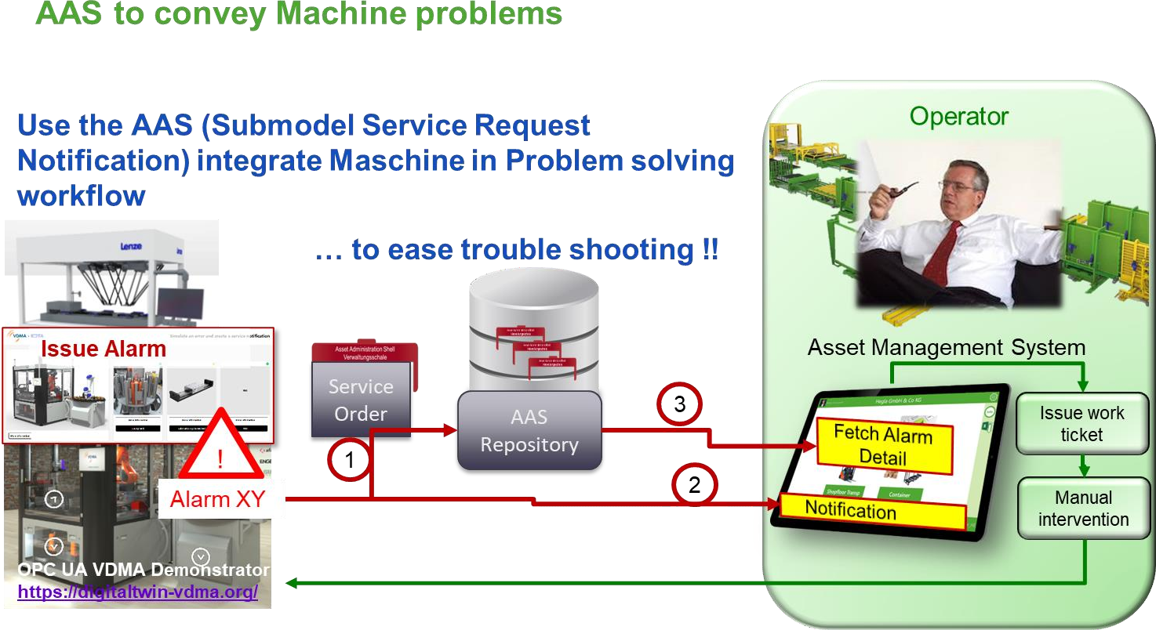
 |  | 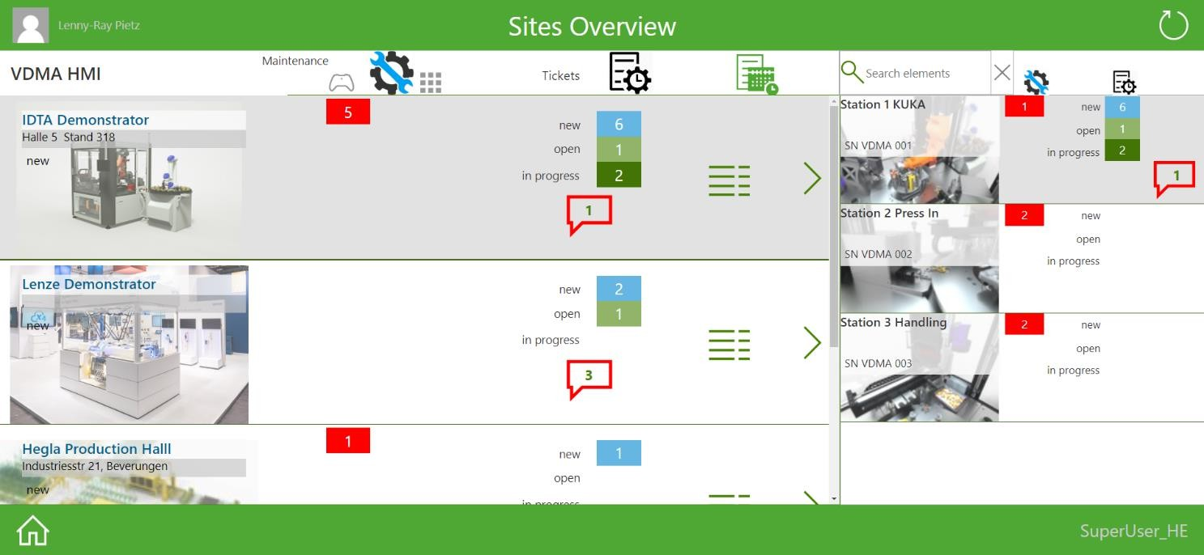
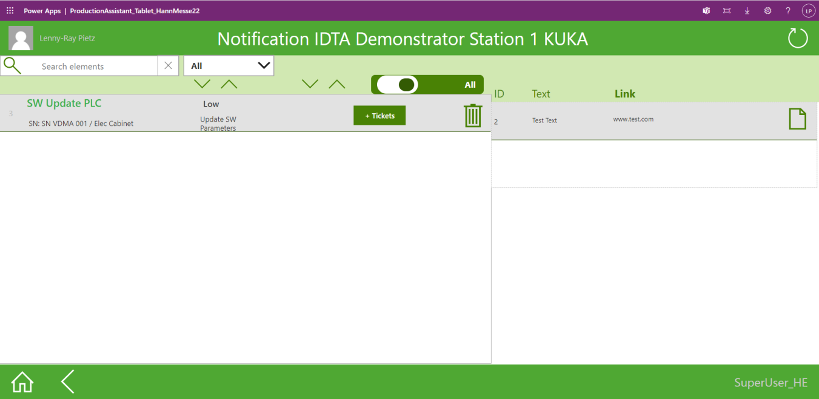
Figure 8: Notification overview for a specific machine (HMI 2022 VDMA Demonstrator)

Bibliography
[1] “Recommendations for implementing the strategic initiative INDUSTRIE 4.0”, acatech, April 2013. [Online]. Available https://www.acatech.de/Publikation/recommendations-for- implementing-the-strategic-initiative-industrie-4-0-final-report-of-the-industrie-4-0-working- group/
[2] “Implementation Strategy Industrie 4.0: Report on the results of the Industrie 4.0 Platform”; BITKOM e.V. / VDMA e.V., /ZVEI e.V., April 2015. [Online]. Available: https://www.bitkom.org/noindex/Publikationen/2016/Sonstiges/Implementation-Strategy- Industrie-40/2016-01-Implementation-Strategy-Industrie40.pdf
[3] “The Structure of the Administration Shell: TRILATERAL PERSPECTIVES from France, Italy and Germany”, March 2018, [Online]. Available: https://www.plattform- i40.de/I40/Redaktion/EN/Downloads/Publikation/hm-2018-trilaterale-coop.html
[4] “Beispiele zur Verwaltungsschale der Industrie 4.0-Komponente – Basisteil (German)”; ZVEI e.V., Whitepaper, November 2016. [Online]. Available: https://www.zvei.org/presse- medien/publikationen/beispiele-zur-verwaltungsschale-der-industrie-40-komponente- basisteil/
[5] “Verwaltungsschale in der Praxis. Wie definiere ich Teilmodelle, beispielhafte Teilmodelle und Interaktion zwischen Verwaltungsschalen (in German)”, Version 1.0, April 2019, Plattform Industrie 4.0 in Kooperation mit VDE GMA Fachausschuss 7.20, Federal Ministry for Economic Affairs and Energy (BMWi), Available: https://www.plattform- i40.de/PI40/Redaktion/DE/Downloads/Publikation/2019-verwaltungsschale-in-der- praxis.html
[6] “Details of the Asset Administration Shell; Part 1 - The exchange of information between partners in the value chain of Industrie 4.0 (Version 3.0RC01)”, November 2020, [Online]. Available: https://www.plattform- i40.de/PI40/Redaktion/EN/Downloads/Publikation/Details-of-the-Asset-Administration- Shell-Part1.html
www.industrialdigitaltwin.org

